Index
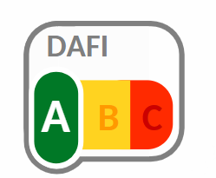
Data Analytics Functionality Index calculation

The scores are averaged for each dimension which gives the % of the positive answers, users can change the weights affected to each dimension. For some projects, utility might have more importance than feasibility for example, in this case the weight can be changed accordingly. We do not recommend changing the weights without a plan for extensive testing with several use cases. | Dimension | Individual scores | Weights for Index
 | Utility | #DIV/0! | 1 | Score | Index
 | Feasibility | #DIV/0! | 1 | #DIV/0! | #DIV/0!
 | Measurability | #DIV/0! | 1
 | Verifiability | #DIV/0! | 1

 | How the score is determined
 | Score | Index | Interpretation
The ranges for determining the scores have been set after vast testing with several use cases and stakeholder feedback; representative of different tasks and challenges across different domains and applications. The ranges can be changed to reflect user preferences. | >0.8 | A | High potential project
 | [0.65, 0.8] | B | Moderate potential, requires further scoping and preparation
 | <0.65 | C | High risk project, consider parking or postponing

